Solution Architecture Diagram
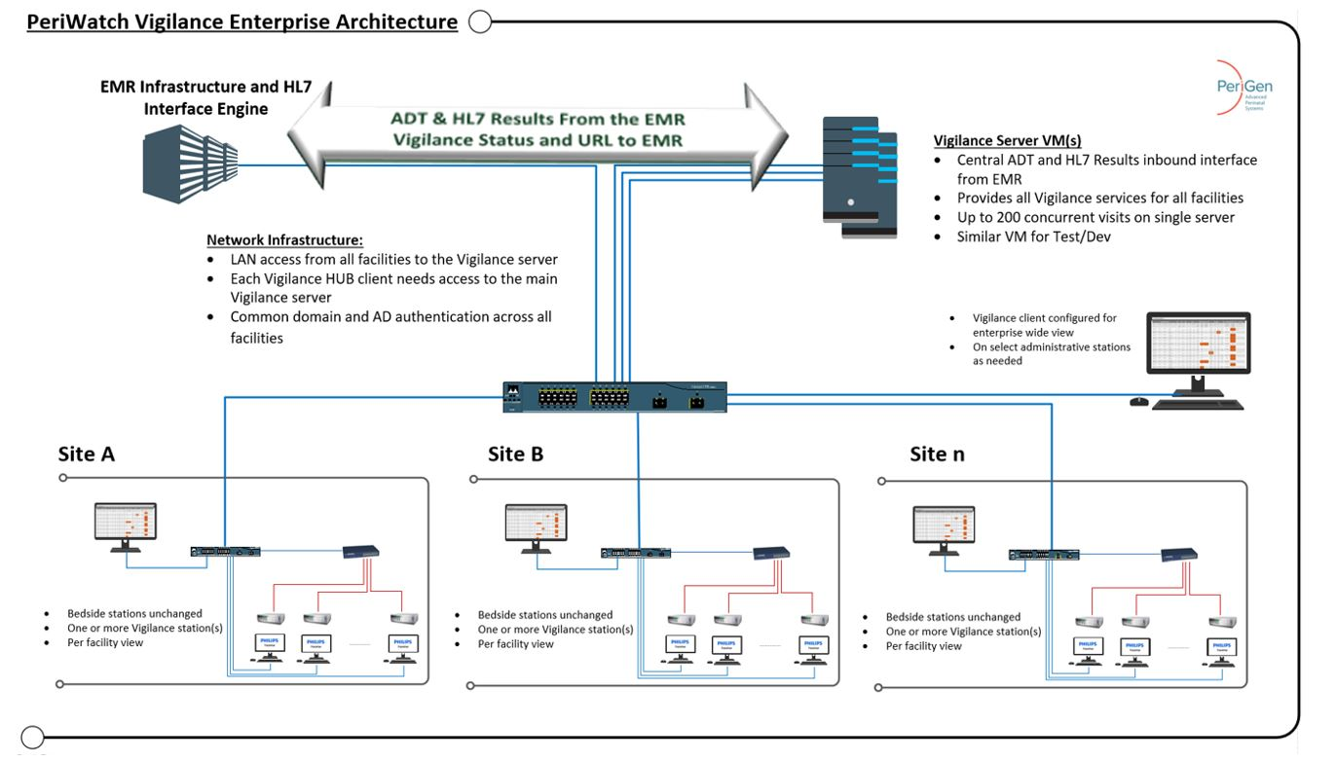
SOLUTION ARCHITECTURE DIAGRAM
An architecture diagram shows how the solution is designed and how the components are connected to, and operate with, each other. Example items to include are; network topology, user environment, security and control features, processing, and data storage. At a minimum, the architecture diagram should provide a clear illustration of all points where Novant Health data will be transmitted, processed, or stored.

